Solution
Business problem/objective
 | Build Network Intrusion detection system to detect anamolies and attacks in the network

Approach for the problem
 | 1. Binomial Classification - Predict the activity is normal or attack
 |  | Algorithms used - Logistic Regression, XGBoost Classifier, Random Forest Classsifier
 |  | Mechanism to validate - Accuracy, AUC, Gini

 | 2.Multinomial Classification - Predict the acitivity is normal or DOS or PROBE or R2L or U2R
 |  | Algorithms used - XGBoost Classifier, KNN, Decision Tree Classifier
 |  | Mechanism to validate - Accuracy, Precision, Recall

Data understanding
 | 42 features
 | Target - "attack"

 | 33 features are numeric features
 | 9 features are categorical

 | No missing values in any features

Dummy Variables
 | Dummy variables are created for categorical variables.
 | 89 new features were derived from the dummy variable creation
 | Dropped the original categorical variables

Outlier Treatment
 | Outliers were removed for numerical variables
 | LC: 0.01 percentile
 | UC: 0.99 percentile

Binomial Classification

 | Target variable "attack" has been transformed into 2 categories - "attack" and "normal" (1 and 0)

 | Distribution of target variable:

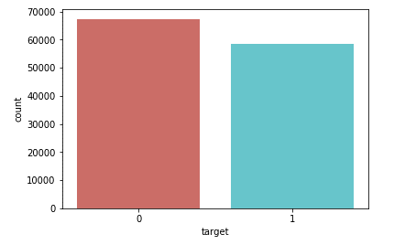

 |  | The distribution of both categories are similar.

 | Variable Reduction

 |  | Dropped 8 numerical variables having no variance in the data
 |  | Dropped 7 numerical variables having less correlation with the target variable

 | Variable Selection

 |  | WOE
 |  | Selected 17 variables based on WOE.

 |  | SomersD
 |  | Selected 20 variables with SomersD > 0.1

 |  | The above variables were consolidated and used for further variable reduction

 | RFE
 |  | Selected top 15 variables based on RFE values
 | SelectKBest
 |  | Selected top 15 variables based on SelectKBest
 | VIF
 |  | Finally selected 13 variables with VIF < 2

 | These 13 variables are used for final model building

 | Train/Test split
 |  | The data was split into train and test data
 |  | train - 70%
 |  | test - 30%

 | Model pre-requisites
 |  | Outliers have been removed
 |  | No missing values
 |  | Categorical variables have been encoded
 |  | Dropped variables with less variance
 |  | Dropped variables based on WOE and SomersD
 |  | Selected important variables based on RFE and SelectKBest
 |  | Removed mutli-collinearity in the selected variables based on VIF value

 | Goodness of fit metrics

 |  |  | Logistic Regression |  | XGBoost Classifier |  | RF Classifier
 |  |  | Final tuning parameters |  | Final tuning parameters |  | Final tuning parameters
 |  |  | Train | Test | Train | Test | Train | Test

 |  | Accuracy | 0.964 | 0.963 | 0.999 | 0.997 | 0.996 | 0.995
 |  | Gini | 0.929 | 0.927 | 0.999 | 0.995 | 0.993 | 0.991
 |  | AUC | 0.964 | 0.963 | 0.999 | 0.997 | 0.996 | 0.995

 |  | Clearly, the best model is XGBoost Classifier!

 | Key Drivers
 |  | Based on the best model-

 |  | "dst_bytes" is the most important feature. It can be seen that number of data bytes transferred from destination to source in single connection is high during netwrok intrusion attacks.

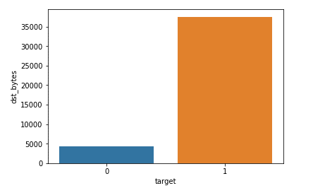

 |  | "count" variable also highly influences the result.
 |  | It can be seen that the Number of connections to the same destination host as the current connection in the past two seconds will be high when there is an attack.

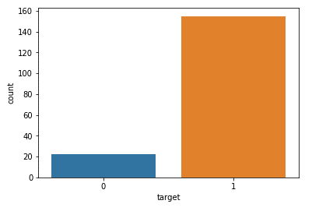

Multinomial Classification

 | The target variable has been transforemed into 5 categories as per the requirement.

 | The distribution of different categories is as follows:

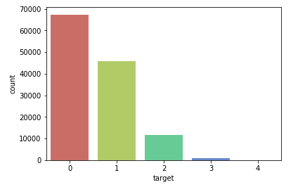

 | where: | 0-> normal
 |  | 1-> Dos
 |  | 2-> Probe
 |  | 3-> R2L
 |  | 4-> U2R

 | Variable Reduction
 |  | Removed 8 variables with zero variances
 |  | Removed 7 variables with less correlation

 | RFE
 |  | Selected top 15 variables based on RFE
 | SelectKBest
 |  | Selected top 15 variables based on SelectKBest
 | VIF
 |  | Selected 14 variables based on vif with vif < 2

 | Train/Test split
 |  | train = 70%
 |  | test = 30%

 | Model pre-requisites
 |  | Outliers have been removed
 |  | No missing values
 |  | Categorical variables have been encoded
 |  | Dropped variables with less variance
 |  | Dropped variables based on WOE and SomersD
 |  | Selected important variables based on RFE and SelectKBest
 |  | Removed mutli-collinearity in the selected variables based on VIF value

 | Goodness of fit metrics

 |  |  | XGBoost Classifier |  | KNN Classifier |  | DT Calssifier
 |  |  | Final tuning parameters |  | Final tuning parameters |  | Final tuning parameters
 |  |  | Train | Test | Train | Test | Train | Test

 |  | Accuracy | 0.997 | 0.995 | 0.988 | 0.981 | 0.993 | 0.992
 |  | Precision | 0.998 | 0.996 | 0.988 | 0.981 | 0.994 | 0.992
 |  | Recall | 0.998 | 0.996 | 0.9882 | 0.9811 | 0.993 | 0.992

 |  | Clearly XGBoost Classifier is the best model.

 | Key Drivers

 |  | Based on the best model, the major drivers are diff_srv_rate, flag_S0, service_ecr_i.

 |  | diff_srv_rate - The percentage of connections that were to different services, among the connections aggregated in count. So, depending on the percentage of connections, the network intrusion can be classified.

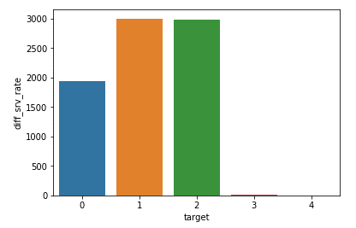
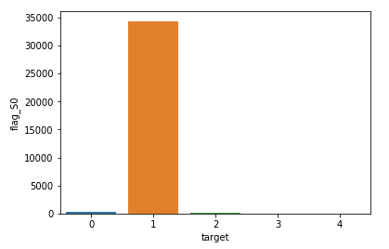

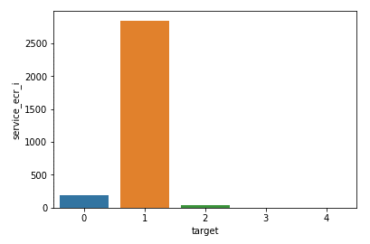

Quanitify business outcome from this model
 | Binomial Classifier model can be used to detect whether there is an attack or not
 |  | Business can use this model to create an alert stating that there is some kind of network intrusion

 | Multinomial classifier model can be used to determine the exact category of network attack
 |  | Busineess can rely on this model to correctly determine the network intrusion issue

 | Using the above models, business can modify their system by correclty identifying the reasons for network intrusion and prevent them.

Pros & cons of the models

 | Pros:
 |  | The model is highly reliable, as the accuracy of predictions is very high
 |  | Easily interpretable result for business

 | Cons:
 |  | Model cannot incorporate any new variable. Any additional variable would require the model to be built again
 |  | Model is not self learning

Recommendations & next steps

 | Model can be trained using bigger datasets
 | Self learning capability can also be added

Implementation tool (if applicable) based on final model choosen

 | Import the dataset
 | Drop the unnecessary variables
 | Remove the outliers using the same values used for training
 | Create the dummy variables required
 | Select only the variables used for model building
 | For binomial classification -
 |  | Use XGBoost Classifier model for binomial classification
 | For multinomial classification-
 |  | Use XGBoost Classifier model for multinomial classification

